UseCase
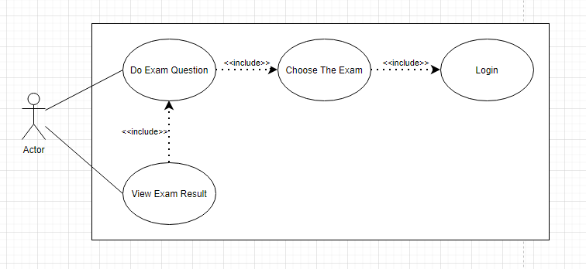
6.5 Quản Lý Thi

ClassDiagram

6.5 Quản Lý Thi

